records
Sample Measurement Record
Mano Engineering LLC |  |  |  |  |  |  |  | Part No. SCBS4-10
No. | A | B | C | D | E | L | (a)
1 | 6.84 | 3.04 | 6.58 | 8.83 | 3.95 | 9.98
2 | 6.85 | 3.03 | 6.56 | 8.82 | 3.99 | 9.92
3 | 6.85 | 3.04 | 6.54 | 8.83 | 3.91 | 9.9
4 | 6.86 | 3.03 | 6.54 | 8.87 | 3.96 | 10.06
5 | 6.85 | 3 | 6.55 | 8.8 | 4.02 | 9.94

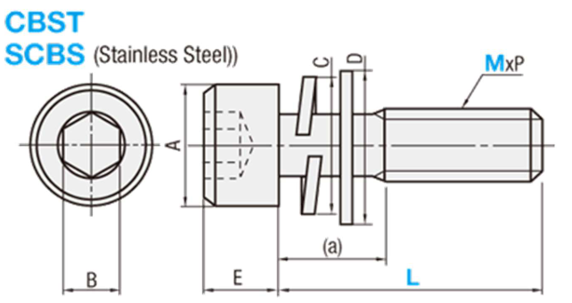
Note: "(a)" is measured roughly

